Sheet1

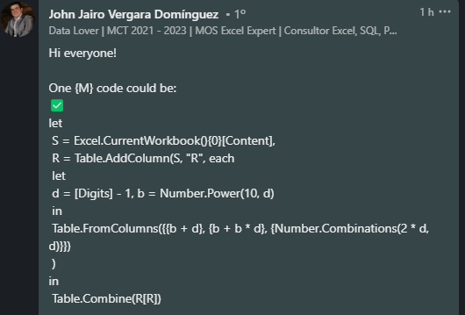
Digits | Min | Max | Count
3 | 102 | 300 | 6
4 | 1003 | 4000 | 20
5 | 10004 | 50000 | 70
6 | 100005 | 600000 | 252
7 | 1000006 | 7000000 | 924

Find the min, max and count of n digit numbers where
n = sum of digits
Ex. if digits = 3, one such number is 201 where 3 = 2 + 0 + 1

